000901-1025-002
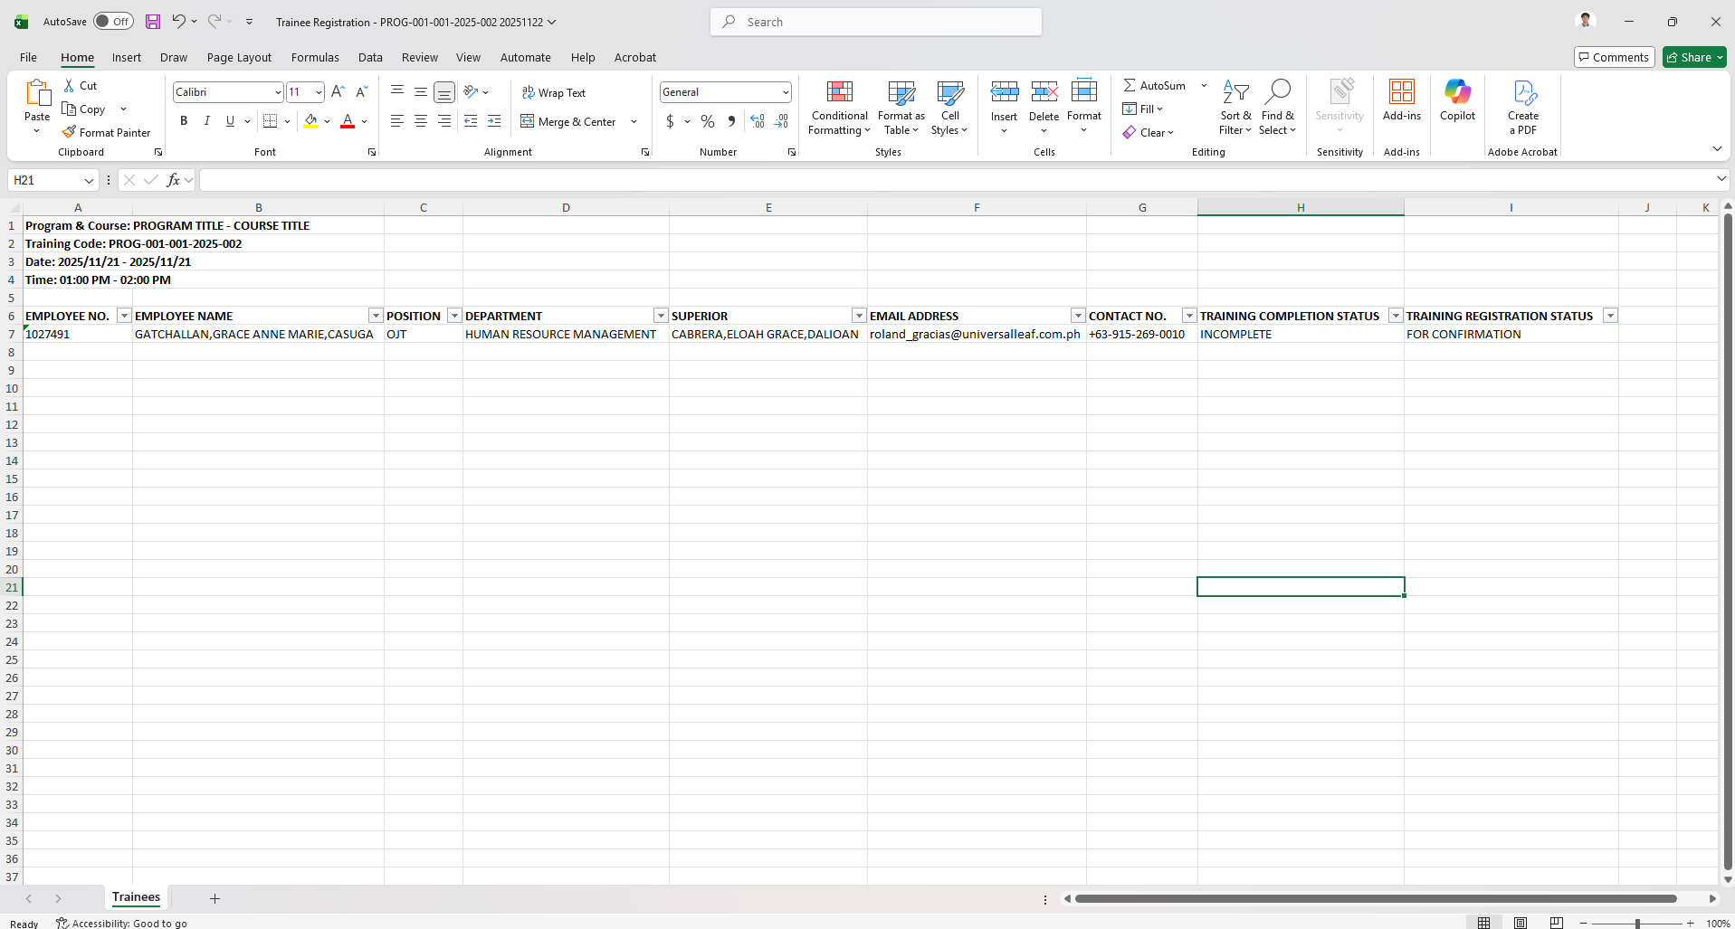
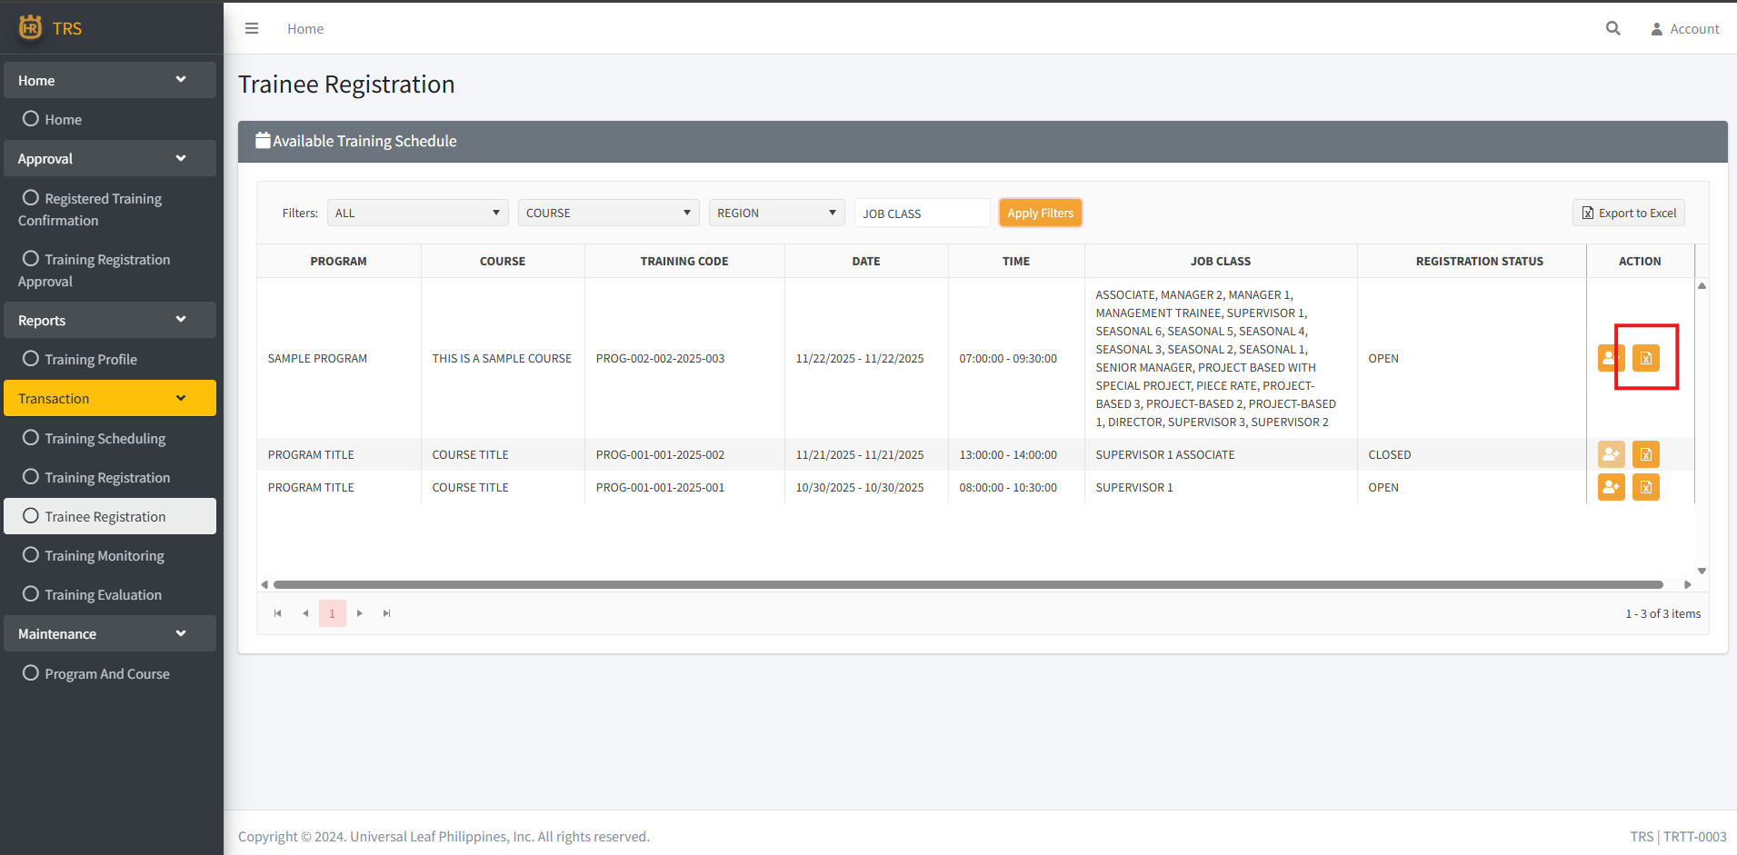
1. Add an Export to Excel button on the Action column, this export the list of attendees of the corresponding record/training.

2. Exported Excel File

000919-1025-003
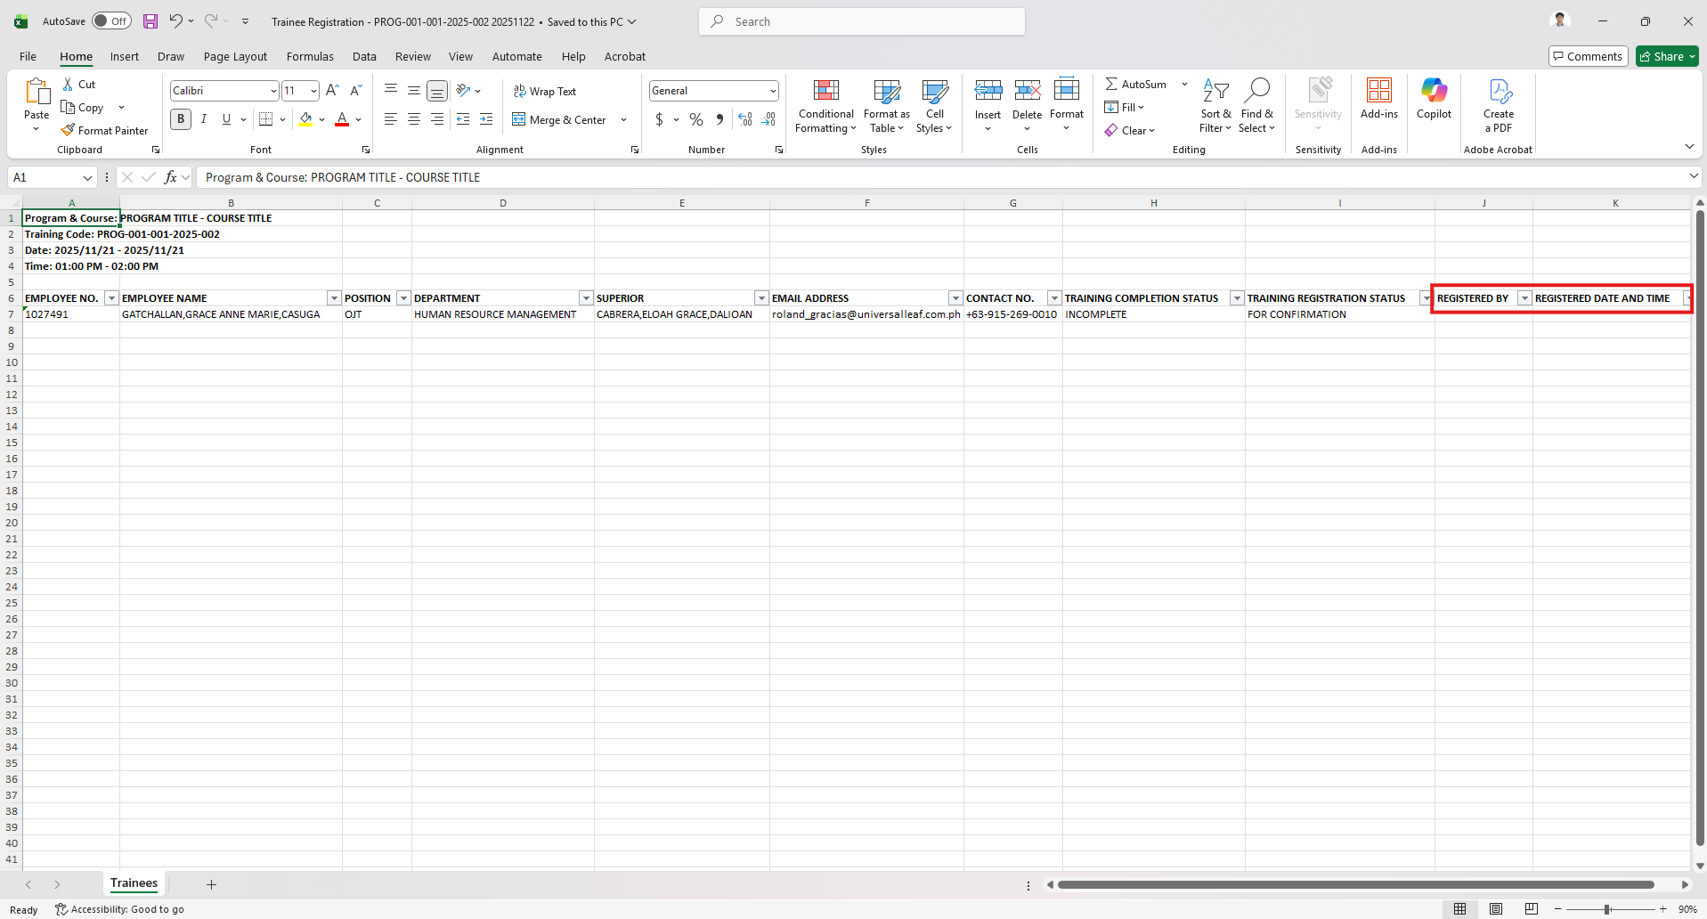
1. Add columns Registered by and Registered Date in the exported excel file.

